DSP (Alcohol)
DATE | INV NO. | DESCRIPTIONS | QTY | PRICE | DISCOUNT | UNIT PRICE | SUBTOTAL | TOTAL | BILL
5-Feb-2026 | SOMDG/DSP/26/02/0030 | MDG - F VODKA | 3 | IDR 246,000 | IDR - | IDR 246,000 | IDR 738,000 | IDR 738,000 | 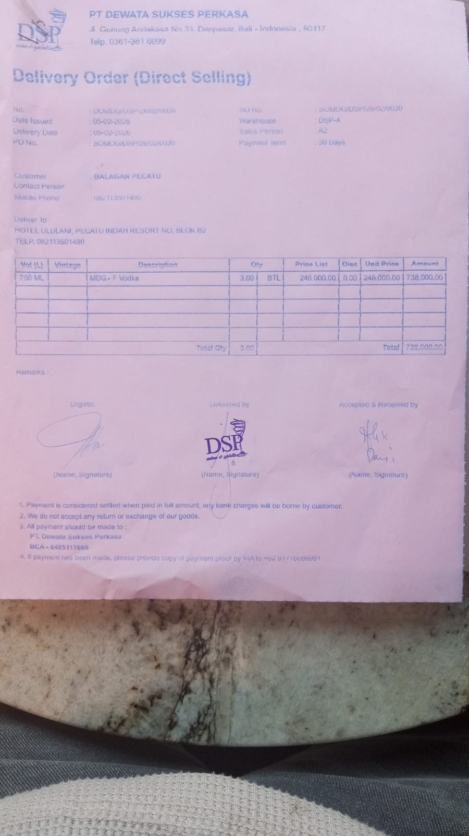
5-Feb-2026 | SO/DSP/26/02/0284 | DA VINCI LEONARDO PROSECCO DOC | 2 | IDR 370,000 | IDR 37,000 | IDR 333,000 | IDR 666,000 | IDR 666,000 | 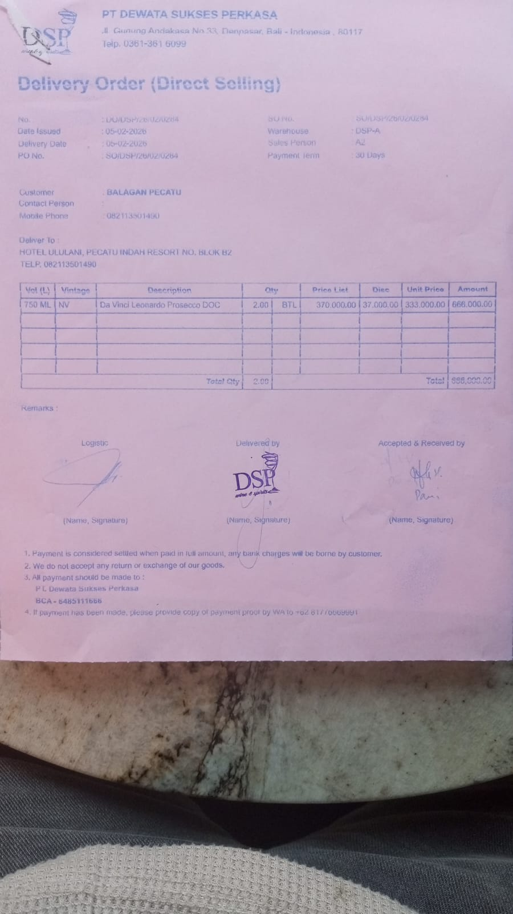
21-Feb-2026 | SO/DSP/26/02/1236 | HUNTER'S RIESLING | 2 | IDR 385,000 | IDR 38,500 | IDR 346,500 | IDR 693,000 | IDR 693,000 | 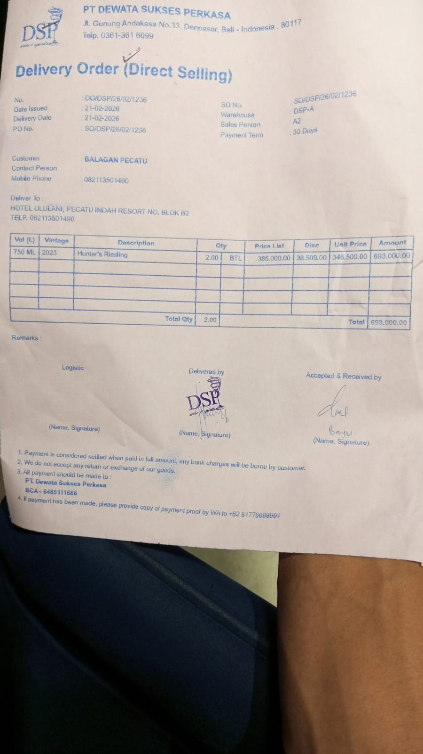
27-Feb-2026 | SO/DSP/26/02/1622 | VIGNETI DEL VULTURE - PIPOLI ROSATO BASILICATA | 1 | IDR 350,000 | IDR 35,000 | IDR 315,000 | IDR 315,000 | IDR 315,000 | 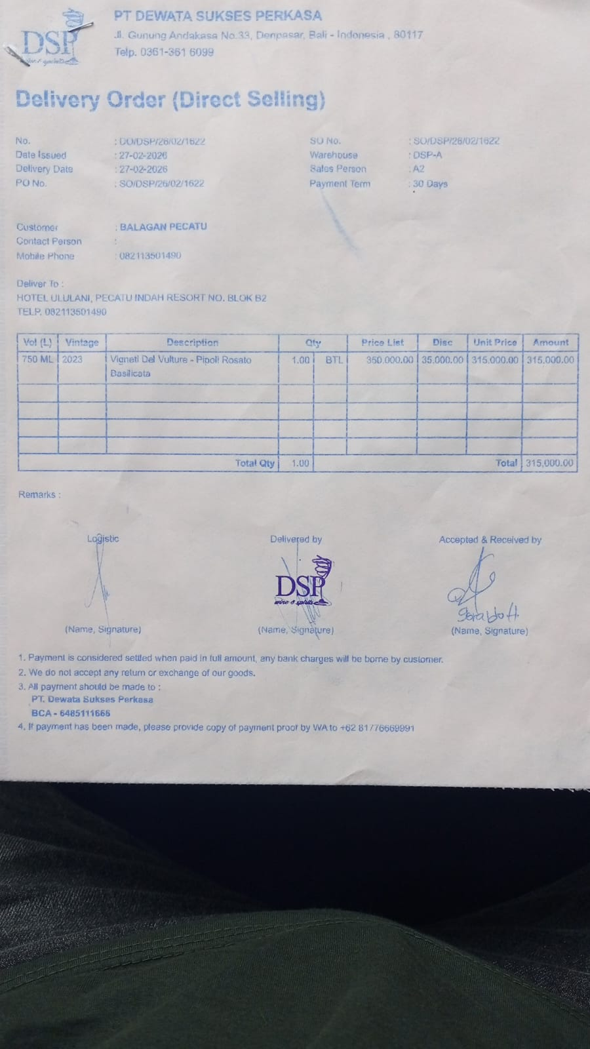
28-Feb-2026 | SO/DSP/26/02/1668 | MCGUIGAN - BLACK LABEL SAUVIGNON BLANC | 4 | IDR 295,000 | IDR 29,500 | IDR 265,500 | IDR 1,062,000 | IDR 1,062,000 | 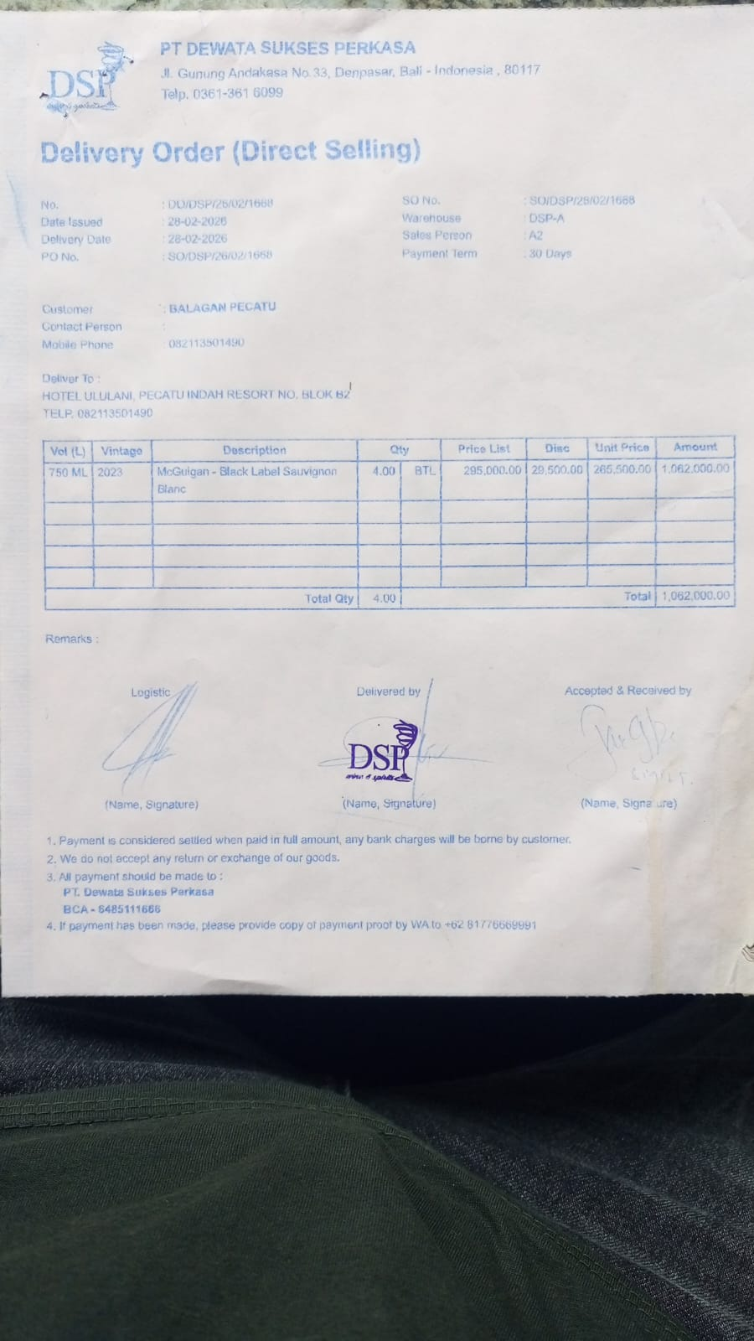
 |  |  |  |  | IDR - | IDR - | IDR - | IDR -
 |  |  |  |  | IDR - | IDR - | IDR -
 |  |  |  |  | IDR - | IDR - | Rp-
 |  |  |  |  | IDR - | IDR - | Rp- | Rp-
 |  |  |  |  | IDR - | IDR - | Rp- | Rp-
 |  |  |  |  | Rp- | Rp- | Rp- | Rp-
 |  |  |  |  |  | Rp- | Rp- | Rp-
 |  |  |  |  | Rp- | Rp- | Rp- | Rp-
 |  |  |  |  | Rp- | Rp- | Rp- | Rp-
TOTAL |  |  |  |  | Rp3,474,000

